Stats - General
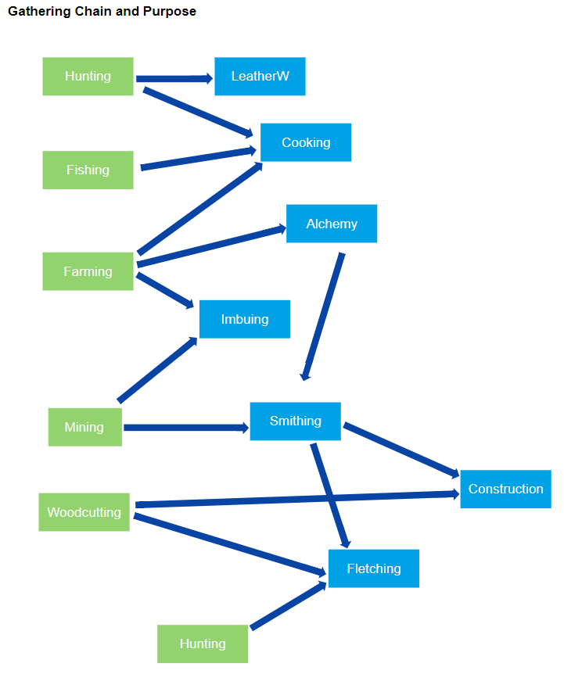
Here's the deal
A lot of things are intertwined
You should be working hard for a long time on quest chains and getting skills up high enough to start them all the time
There are three main components to quest rewards.
Access, Skills, and Loot

Access | This alllows you into new areas. That can be stores, guilds, zone, towns, dungeons. Anywhere you couldn't go before. Quests that give access can be really short or really long.

Skills | This is pretty wide open. This covers everything from attunements, skills, perks, full classes, crafting recipes. You name it. This is where the intertwining part gets pretty dirty. Some quests will give you a class, a combo, or a recipe from multiple different stats.

 |  |  |  | Sub Stats should be recipes that fall outside of normal leveling. Getting max level blacksmithing should not unlock every blacksmithing recipe. Jewelry should only be unlocked with quests and level even if you max out the skill. These should be where the most usefull things in the game are but they need to stay small and special. They should be in sets based on Rank. Ex. Engineering Rank 2 gives 4 recipes.

Loot | Easy. Loot can be gear or experience. Done. The only rule is, you don't use the skill in the quest, you don't get any XP as a reward in that quest. Makes sense.

All Stats List | Type | Description | Examples | Skills
Strength | Combat | Melee Attack and Defense Attribute. | Base damage and hit chances with melee weapons. Also, what items can be wielded. 10 is Iron weapons. Some shortcuts on map mostly for gathering or crafting efficiency. Spell book should give more combos on level as well as Warrior shouts and buffs that require resources. All I can think of for this is warpaint or teeth. | Classes
Agility | Combat | Stealth and Ranged Attack and Defense Attribute. | Base damage and hit chances for ranged and finesse weapons. Increases dodge for some classes. 10 is Longbow or 10 is Iron Daggers. Lots of shortcuts for agility. Spell book should give combos as well as Range buffs and stealth. Toggles and weapon enchants like poison. | Classes
Intelligence | Combat | Magic Attack and Defense Attribute. | Base damage and hit chances for magic spells. Same for items as Strength and Ability. Spell book should have lots of spells with high resource costs. You should be able to have lots of spells and multiple books. Everything will costs something. Keeping things on will tick down a resource. Only so many buffs allowed depending on class | Classes
Wisdom | Combat | Spirit Attack and Defense Attribute. | Base damage and hit chances for spirit spells. Same for items as Strength and Ability. Very similar to Intelligence with spell book and high resource costs. Lots of tick down buffs. Always uses a resource. | Classes
Hits | Combat | Derived from lots of things. Augments, Gear, Stances, Atunement, some combos | Derived from highest stat of class or generic average. Most classes will have perks will flat increases or decreases | Classes
Mining | Gathering | Get them rocks | Determines what mines you can have access to and what rocks you can mine. | Burrower, Dwarven, Archaeologist
Farming | Gathering | Get them crops | Determines what farmes you can have access to and what crops you can grow. | Fruitist, Veggiteer, Treemonger
Fishing | Gathering | Angler extreme. I have lots of ideas for fishing | Boom fishing baby | Deep Angler, Inlander, Docker, Underground, Sky?
Woodcutting | Gathering | Get dat wood yo | Determines which forests and trees you can cut down. | Lumberjack, Mech-chopper, some hippy things that gets the wood without chopping it down
Hunting | Gathering | Kill things. Traps. Mini games. Tracking. Stalking. | What areas you can hunt in, what equipment, what you can kill. | Big Game Hunter, Stalker, Crawler, Aviary
Smithing | Crafting | Smelts bars. Contains most of the pottery and jewelcrafting things in it as well | A fairly all encompassing stat. Mostly just level for armor and weapons. Makes things for all classes that fit. Utility things like pots and buckets come without recipes. Jewelcrafting and special armor or weapons will be gated by other quests. Most skills will be that way. BS may make shoulders imbued with gems. That would be unlocked through a special quest reward plus some of the materials would need to come from imbuing. You could buy the imbued materials if you didn't have the level to make it through imbuing. Also, you would get the recipe in imbuing as well, but need the material from BS to complete the item. Same item. Made in two places. With 2 skills. Both are needed for mats. Only one for completing. Makes tings like cake tins and pie trays. Engineering needs to be a sub set of this stat. | Jewelcrafting, Engineering
Cooking | Crafting | Cooking | Fed from regularly killing stuff, fishing, hunting, and farming. All food requires eating outside of combat. Eating in combat makes no sense. Duh. If you can think of a buff or an effect, you should be able to get it from food. I think one buff slot for food is good. I think maybe an item like a ring could give another food buff slot but idk yet. | Meals, Snacks
Leatherworking | Crafting | Tannings and armor making. Also any utility leather stuff | Makes leather armor from leather gathered from fighting and hunting. Hunting is the primary gathering mechanism. Not sure but I think leather will be used in almost all the other | Outfitter, Prowler
Tailoring | Crafting | Creates cloth items and robes. Seems like there are a lot of things that need it. | Not sure of how to gather for this one. | Shadow weaver, Heaven weaver
Imbuing | Crafting | Creates magic and spiritual items. | Create all the magic items like enchanted gems, rods, tools for other crafting skills. Should enchance armors and weapons. Also creates the consumable resource for Intel and Wisdom spells. | Artificer, Sanctifier
Construction | Crafting | Builds things in the player area. This should be the most difficult stat. | At the players home, they can make all the crafting stations that are around the world. Everything in this stat should be extremely difficult. It may not even make it to the final draft. The more this stat grows, the less of the rest of the game the player has to deal with or be in. It makes more sense to have special stations to craft the highest level things that can't be made any other way. For some of the highest level imbues, you should have to complete a very high level quest and gather some of the most expensive items to build the station. Just a super high level bar. Maybe it doesn't need to be trainable. Maybe it could be inside the other skills. That way you aren't making stupid chairs for no reason before you get to the good stuff at the end of the game. I'll think about that. | Architect
Fletching | Crafting | Ranged items. Could be expanded to include all woodworking. | This stat needs to be expanded. Making arrows and quivers doesn't seem as broad as the other stats. | Dragon, Underground, Earth
Alchemy | Crafting | Potions and Elixirs. Probably some transmutes too. Should also be a very difficult skill | Lots of over lap with other skills. This should be primarily the buff and in combat effect stat. Lots of temporary buffs and also the buffs similar to cooking. 1 buff slot from elixirs with a way to get another seems right. Lots of sub stats for this that make sense. | Elixir, Potions, Transmute

Skill - Class Quests
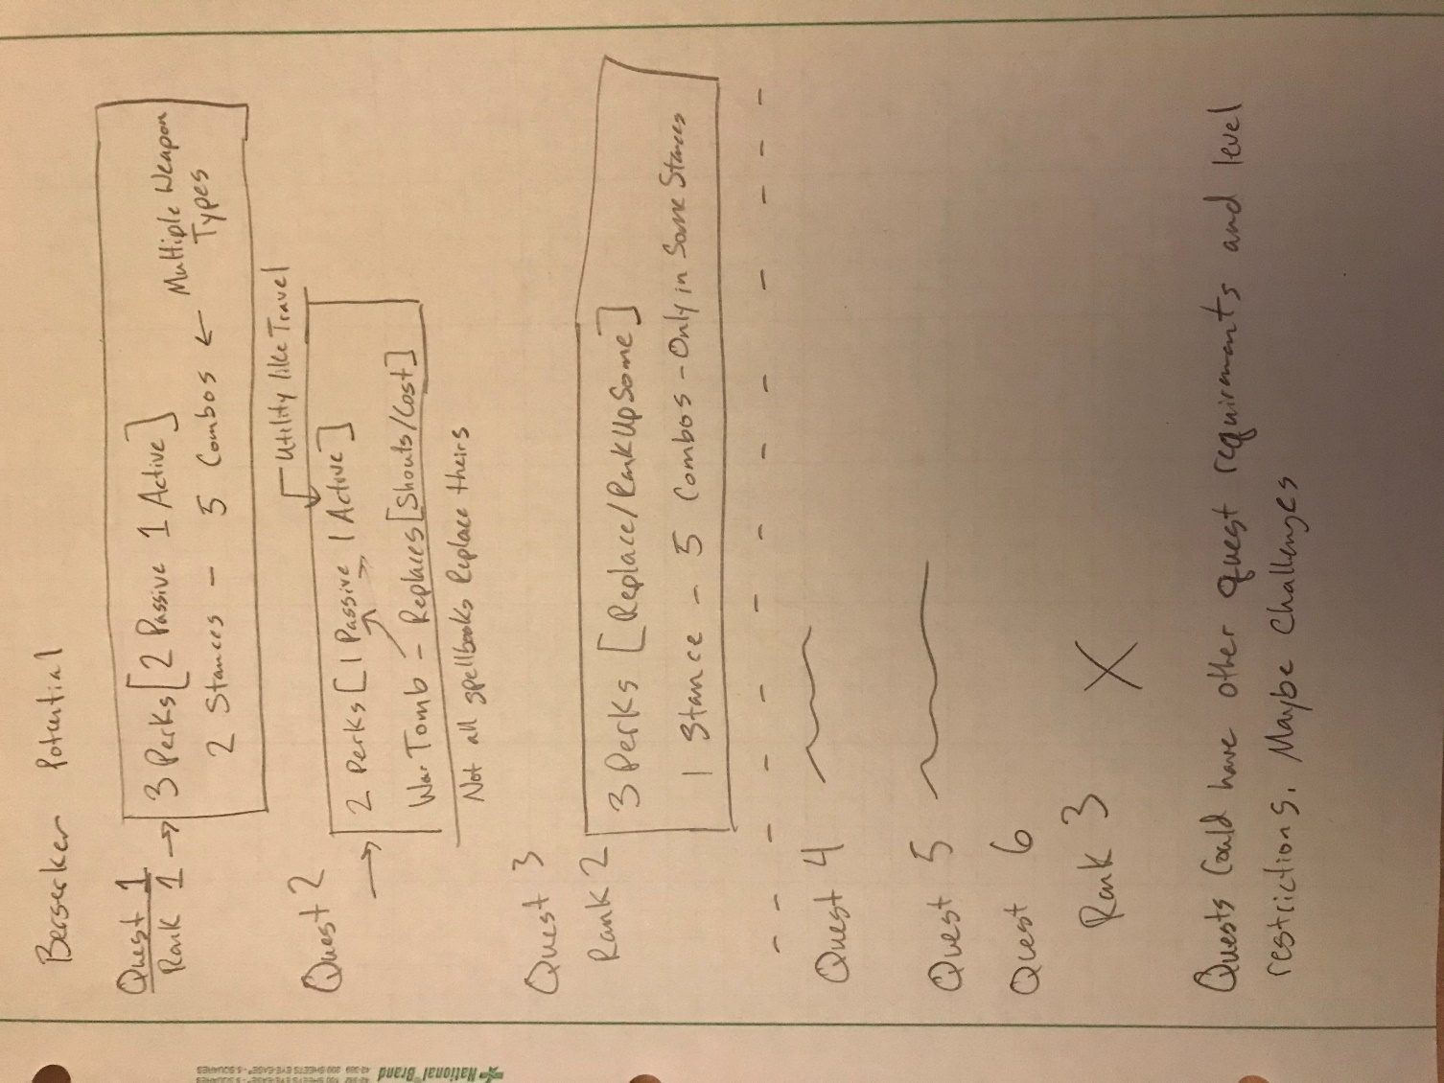
The idea behind ranks in skills should be packaged versions of mini level ups for classes in combat and crafting. You should feel like training and getting through the next chapter of a quest increases a specific thing instead of a wide base most of the time. I think most quests should be access and skills. I'll use a druid quest line for example. |  |  | Some of these may be just for crafting or some could be mixed
 |  |  | Some may not get the real benefits until max Rank
 |  |  | Daily quests like bounty resets. You should be able to use a crafted item to boost dailies if you want

Quest | Length | Requirements | Rewards
1 | Short | None | Access to Druid Land
2 | Short | Level 20 Agility, Level 20 Wisdom, Level 10 Alchemy, Quest 1 | Special gathering, Access to Dungeon, Alchemy Recipe, Imbuing Recipes, XP, Ring
3 | Medium | Level 30 Strength, Level 28 Agility, Level 31 Wisdom, Quest 2 | Classes: Shapeshifter: Wolf (Rank 1), Access to some new city, XP
BRANCH |  |  | Shapeshifter: Bear (Rank 1), Shapeshifter: Snake (Rank 1)

From here, you can start making way in other areas like crafting from the druids OR a specific druid class

Next | Long | Quest 3 | Shapeshifter Perk (X), Alchemy recipes, XP

Next | Long | Quest 3 | Access to some crafting zone, XP

Next | Very Long | Quest 3 | Class: Shapeshifter: Bear(Rank 2)
Next | Very Long | Quest 3 | Class: Shapeshifter: Wolf (Rank 2)
Next | Very Long | Quest 3 | Class: Shapeshifter: Snake (Rank 2)
Next | Very Long | Quest 3 | Class: Shapeshifter: Support (Rank 1)

Equipment
Equipment Ideas
Needs defense and attack bonus listings

SO many

Shoud classes restrict or augment equipment severely. Example, should the snake shift of druid not allow any equipment except for 3 bracers lol. Idk
Or things like a stance in berserker changes you to only be able to equip 1 2H weapon
Fist weapon classes
No weapon classes
No armor classes
No armor or weapon classes
This may allow for some more freedom in equipment if we don't have to worry about weird crossovers
It also doesn't make sense for a wolf to use a sword

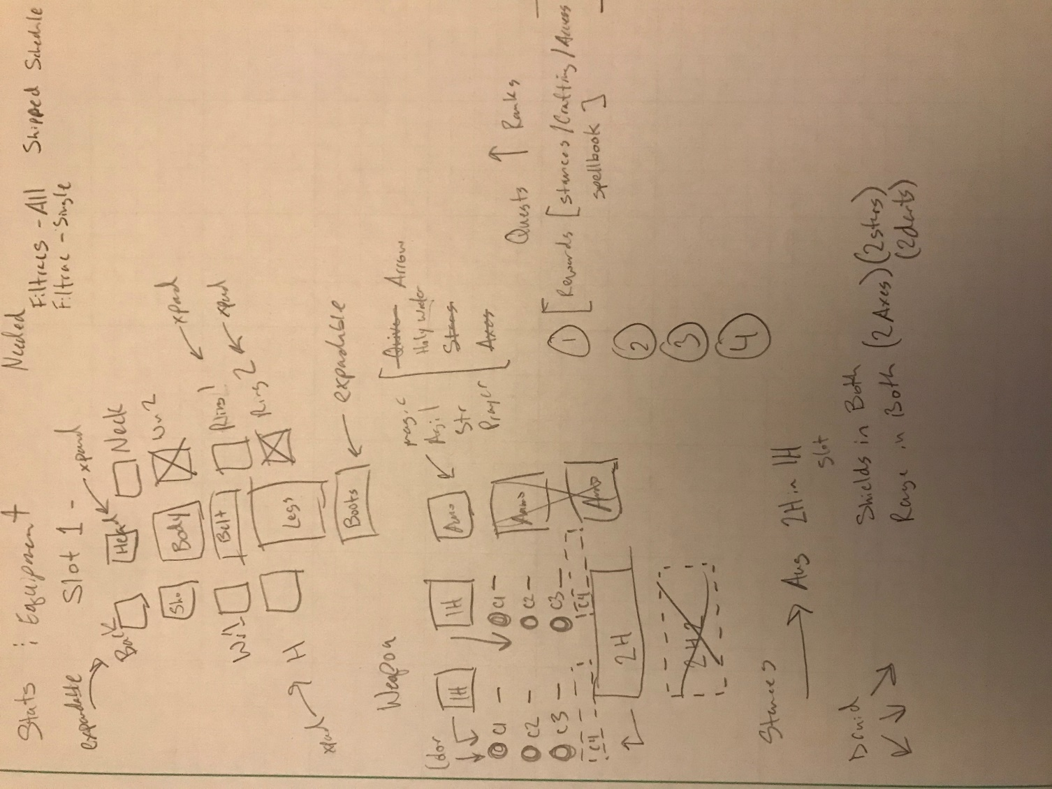

Slot Number | Name
1 | Head1
2 | Head2
3 | Neck
4 | Back
5 | Shoulders
6 | Body
7 | Wrist1
8 | Writst2
9 | Hands1
10 | Hands2
11 | Belt
12 | Legs1
13 | Legs2
14 | Boots1
15 | Boots2
16 | 1HW1
17 | 1HW2
18 | 2HW1
19 | 2HW2
20 | Accessory1
21 | Accessory2

